1.Concept (AdaBoost Classifier)
 | »ADABOOSTING CLASSIFIERS |  | REFERENCE

 | ▣DEFINITION FOR ADABOOSTING ACCORDING TO SCIKITLEARN
①metaestimator (Reference Udemy)⇒boosting is technically a meta learning algorithm that can be applied to really any machine learning algorithm, not just the decision trees, but we'll see why decision trees are such a well-suited algorithm for boosting. | 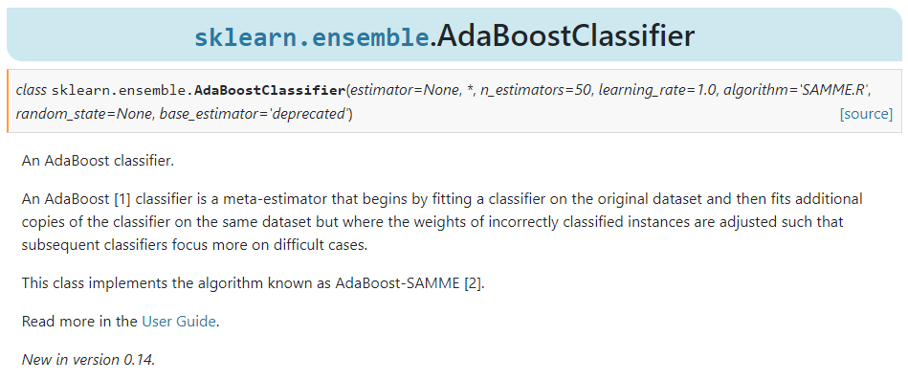 |  | ⇰REFERENCE (Website)-->Scikitlearn Regarding Conceptual Understanding of Model ⇒AdaBoosting Classifiers Algorithm

 |  |  | ⇰REFERENCE (Website)-->Udemy Regarding Conceptual Understanding of AdaBoosting Classifier Models

①metaestimator (REFERENCE) =>(Girenz GitHub)⇒A meta-estimator in the context of machine learning refers to a specialized algorithm or method that is used to enhance the predictive performance of a model by combining or aggregating the predictions of multiple base estimators or models.

 | ⇰According to Scikit Learn An AdaBoost classifier is a meta-estimator that begins by fitting a classifier on the original dataset & then fits additional copies of the classifier on the same dataset but where the weights of incorrectly classified instances are adjusted such that subsequent classifiers focus more on difficult cases.This class implements the algorithm known as AdaBoost-SAMME .

 | ⇰According to DataCamp AdaBoost classifier builds a strong classifier by combining multiple poorly performing classifiers so that you will get high accuracy strong classifier. The basic concept behind Adaboost is to set the weights of classifiers & training the data sample in each iteration such that it ensures the accurate predictions of unusual observations. Any machine learning algorithm can be used as base classifier if it accepts weights on the training set. Adaboost should meet two conditions: | 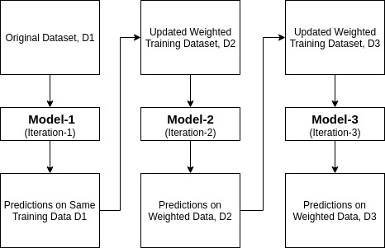 | ⇰REFERENCE (Website)-->DataCamp Regarding Conceptual Understanding of AdaBoosting Classifiers & Working of AdaBoosting Models

 |  |  | ⇰REFERENCE (Website)-->Kaggle Regarding Conceptual Understanding of AdaBoosting Classifiers Models

 | ❶The classifier should be trained interactively on various weighed training examples. ❷In each iteration, it tries to provide an excellent fit for these examples by minimizing training error.

 |  |  | ⇰REFERENCE (Website)-->Scikitlearn Regarding Conceptual Understanding of Model ⇒AdaBoosting Classifiers Algorithm

 | ▣How does the AdaBoost algorithm work?
 |  |  | ⇰REFERENCE (Website)-->Udemy Regarding Conceptual Understanding of AdaBoosting Classifier Models
 | ◅It works in the following steps: ❶Initially, Adaboost selects a training subset randomly. ❷It iteratively trains the AdaBoost machine learning model by selecting the training set based on the accurate prediction of the last training. ❸It assigns the higher weight to wrong classified observations so that in the next iteration these observations will get the high probability for classification. ❹Also, It assigns the weight to the trained classifier in each iteration according to the accuracy of the classifier. The more accurate classifier will get high weight. ❺This process iterate until the complete training data fits without any error or until reached to the specified maximum number of estimators. ❻To classify, perform a "vote" across all of the learning algorithms you built.

 |  |  | ⇰REFERENCE (Website)-->DataCamp Regarding Conceptual Understanding of AdaBoosting Classifiers & Working of AdaBoosting Models

 |  |  | ⇰REFERENCE (Website)-->Kaggle Regarding Conceptual Understanding of AdaBoosting Classifiers Models

 | ▣TWO WAYS FOR FINDING OUT BEST ADABOOSTING CLASSIFIERS MODELS WITH MINIMUM ERRORS

 | ❶ADABOOSTING CLASSIFIERS MODEL + GRID SEARCH CV

 | ❷ADABOOSTING CLASSIFIERS MODEL (ERRORS VS NO OF ESTIMATORS & VARIOUS (MISCLASSIFICATION VS NO OF ESTIMATORS) (ELBOW METHODS)

2.H.Para (AdaBoost Classifier)
▣HYPER PARAMETER FOR ADABOOSTING CLASSIFIERS |  |  | REFERENCE

 |  |  | ⇰REFERENCE (Website)-->Scikitlearn Regarding Conceptual Understanding of Various H.Param For AdaBoosting Classifiers Models

 |  |  | ⇰REFERENCE (Website)-->Udemy Regarding Conceptual Understanding of Model⇒AdaBoosting Classifiers

▣IMPERATIVE /FUNDAMENTAL HYPER PARAMETER FOR ADABOOSTING CLASSIFIER MODEL

⇰n_estimators:int, default=100 ❶The number of trees in the forest. ❷According to Medium number of base estimators or weak learners we want to use in our dataset. By default, the n_estimator is 50. ❸According to Scikitlearn base estimator from which the boosted ensemble is built. Support for sample weighting is required, as well as proper classes_ & n_classes_ attributes. If None, then the base estimator is DecisionTreeClassifier (DT Classifiers) initialized with max_depth=1. ❹Basically in Simple Words n_estimators parameter specifies the number of trees in the forest of the model. The default value for this parameter is 10, which means that 10 different decision trees will be constructed in the Ada Boosting Classifiers. | 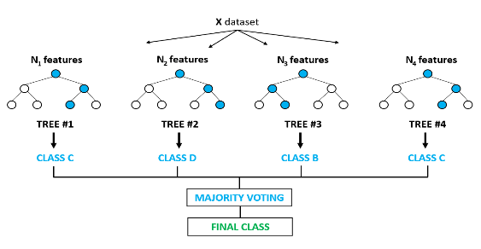 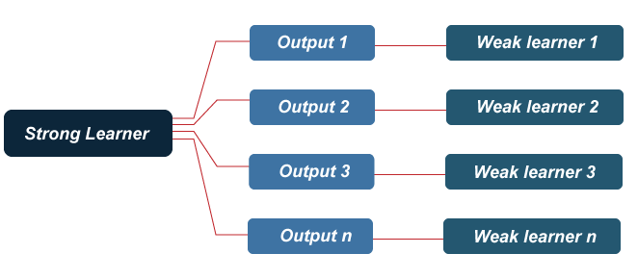 |  | ⇰REFERENCE (Website)-->Towards Data Science Regarding Thereotical & Conceptual Understanding of Parameter n_estimators for Random Forest Classification | ⇰REFERENCE (Website)-->Scikitlearn Regarding Conceptual Understanding of Various H.Param For AdaBoosting Classifiers Models

 |  |  |  | ⇰REFERENCE (Website)-->Udemy Regarding Conceptual Understanding of Parameter For AdaBoosting

 |  |  | ⇰REFERENCE (Website)-->Medium Regarding Conceptual Understanding of Various H.parameter for AdaBoosting Classifiers

 |  |  |  | ⇰REFERENCE (Website)-->Rspiro Regarding Thereotical & Conceptual Understanding of Various Hyper Parameter for Random Forest

❸According to Udemy Now, intuitively, we know the more decision trees that is, the more number of estimators we have in the Ada Boosting Classifier, then the more opportunities to learn from a variety of feature subset combinations.We already know that each decision tree based off that random sub selection is going to look different than previous decision trees. ❹Intuitively we know more Decision Trees , The More Opportunities to learn from a variety off feature subset combinations. |  |  | ⇰REFERENCE (Website)-->Udemy Regarding Conceptual Understanding of Model⇒AdaBoosting Classifiers | ⇰REFERENCE (Website)-->Towards Data Science Regarding Thereotical & Conceptual Understanding of Parameter n_estimators for Random Forest Classification

∎IS THERE ADDING MORE TREES ? IS THERE A DANGER OF OVERFITTING
∎HOW TO CHOOSE NUMBER OF TREES ?
❶Reasonable Default Value =100 ❷Publication Suggest 64-128 Trees ❸Cross Validate a grid search of trees. ❹Plot Error Versus (VS) Number of Trees (Similiar to Elbow Methods of KNN) ∎Should notice Diminishing Reduction error Reduction after some (N) Trees. |  | 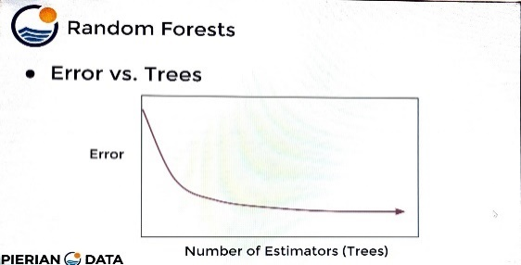 | ⇰REFERENCE (Website)-->Scikitlearn Regarding Conceptual Understanding of Various Hyper Parameter (n_estimators) for AdaBoosting Classifiers Models | ⇰REFERENCE (Website)-->Rspiro Regarding Thereotical & Conceptual Understanding of Various Hyper Parameter for Random Forest

 |  |  |  | ⇰REFERENCE (Website)-->Medium Regarding Conceptual Understanding of Various H.parameter for AdaBoosting Classifiers
∎AFTER CERTAIN NUMBER OF TREES ,TWO THINGS CAN OCCUR |  |  | ⇰REFERENCE (Website)-->Udemy Regarding Conceptual Understanding of Parameter For AdaBoosting

❶Different Random Selections Don't Reveal any more Information Because of That Trees Become Highly Correlated. ❷Different Random Selections are simply Duplicating Trees that have already been Created. ▣This Allows us Quite Lenient in setting up Number of Estimators Hyper Parameters as Overfitting A Minimal Concern.

⇰estimator:object, default=None |  |  | ⇰REFERENCE (Website)-->Scikitlearn Regarding Conceptual Understanding of Various Hyper Parameter (n_estimators) for AdaBoosting Classifiers Models | ⇰REFERENCE (Website)-->VitalFlux Regarding Practical Implementation of Various Example of AdaBoosting Algorithm
❶According to Scikitlearn base estimator from which the boosted ensemble is built. Support for sample weighting is required, as well as proper classes_ & n_classes_ attributes.If None, then the base estimator is (DT Classifiers) DecisionTreeClassifier ⇒(STUMP) (REF STUMP IN 2,13(i) Theory AdaBoosting initialized with max_depth=1.

❷According to Medium base_estimators 's parameter is used to signify the type of base learners we can implement or the type of weak learner we want to use. It can Decision tree, Logistic Regressor, SVC anything. It cannot be Knn as the weight cannot be assigned in this model. By default, the base estimator is DecisionTreeClassifier(max_depth=1)⇒(STUMP).In Simple Words AdaBoost uses a series of base estimators, which are typically decision trees ⇒(STUMP) with limited depth (also known as decision stumps) or other weak learners. These weak classifiers are often simple, and their performance may only be slightly better than random guessing. |  |  | ⇰REFERENCE (Website)-->Udemy Regarding Conceptual Understanding of Parameter For AdaBoosting | ⇰REFERENCE (Website)-->Medium Regarding Conceptual Understanding of Various H.parameter for AdaBoosting Classifiers

⇰learning_rate:float, default=1.0
❶According to Scikitlearn Weight applied to each classifier⇒(STUMP) at each boosting iteration. A higher learning rate increases the contribution of each classifier (DT STUMP). There is a trade-off between the learning_rate & n_estimators parameters. Values must be in the range (0.0, inf). ❷According to Medium in Simpler Words Learning Rate This parameter is provided to shrink the contribution of each classifier (STUMP). By default, it is provided a value of 1. |  |  | ⇰REFERENCE (Website)-->Scikitlearn Regarding Conceptual Understanding of Various Hyper Parameter (n_estimators) for AdaBoosting Classifiers Models | ⇰REFERENCE (Website)-->VitalFlux Regarding Practical Implementation of Various Example of AdaBoosting Algorithm

⇰algorithm{‘SAMME’, ‘SAMME.R’}, default=’SAMME.R’
❶According to Scikitlearn If ‘SAMME.R’ then use the SAMME.R real boosting algorithm. estimator must support calculation of class probabilities. If ‘SAMME’ then use the SAMME discrete boosting algorithm. The SAMME.R algorithm typically converges faster than SAMME, achieving a lower test error with fewer boosting iterations. | 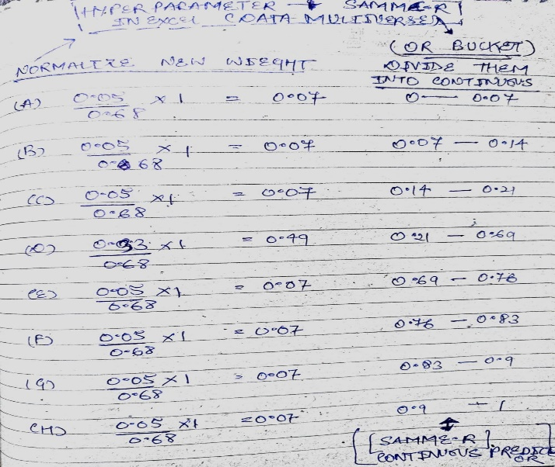
 |  |  | ⇰REFERENCE (Website)-->Udemy Regarding Conceptual Understanding of Parameter For AdaBoosting | ⇰REFERENCE (Website)-->Medium Regarding Conceptual Understanding of Various H.parameter for AdaBoosting Classifiers

❷According to Medium , there are two variants of AdaBoost algorithm for classification. SAMME.R is used when the weak learners produce a continuous output (Like Logistic Regression produces probability of a data point belonging to a class). But as we are using DecisionTreeClassifier (STUMP), the algorithm which produces discrete outputs, we should use is SAMME.The algorithm that we have implemented is a variant of SAMME for 2 class classification.

 |  |  | ⇰REFERENCE (Website)-->Scikitlearn Regarding Conceptual Understanding of Various Hyper Parameter For AdaBoosting Classifiers Models | ⇰REFERENCE (Website)-->Medium Regarding Conceptual Understanding of Various H.parameter for AdaBoosting Classifiers

(Note⇒that both SAMME & SAMME.R can work with both continuous & discrete predictors too. But SAMME was designed to work with discrete predictors & SAMME.R was for continuous predictors) | 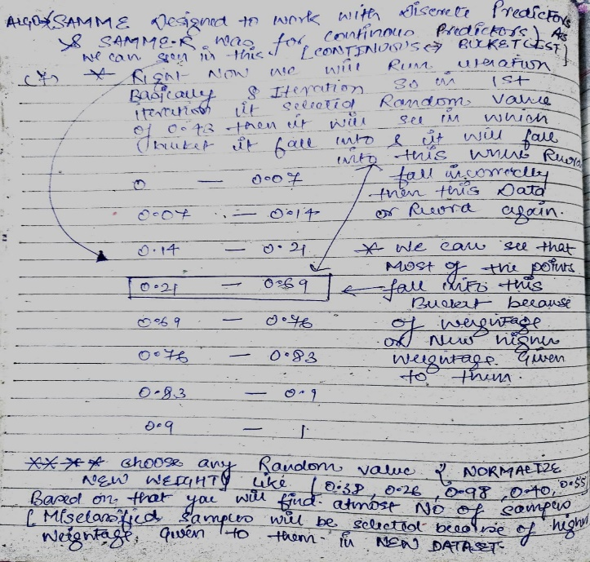 |  |  | ⇰REFERENCE (Website)-->Dev Regarding Conceptual Understanding of Diff in Algorithm⇒SAMME & SAMME.R for AdaBoosting Models

 |  |  | ⇰REFERENCE (Website)-->Udemy Regarding Conceptual Understanding of Parameter For AdaBoosting

❸According to Dev AdaBoost Classifier has two options for the algorithm parameter: ‘SAMME.R’ & ‘SAMME’. By default, it uses "SAMMER.R".SAMME stands for Stagewise Additive Modeling with a Multi-class Exponential cost function & .R stands for Real. ❹SAMME uses different 'decision influence' weights (alphas) for each weak learner (please see part 1, step 2). While SAMME.R assigns an equal weight for each weak learner & directly calculates the class probability. "The SAMME.R algorithm typically converges faster than SAMME, achieving a lower test error with fewer boosting iterations."

 |  |  |  | ⇰REFERENCE (Website)-->Medium Regarding Conceptual Understanding of Various H.parameter for AdaBoosting Classifiers
 |  |  | ⇰REFERENCE (Website)-->Medium Regarding Conceptual Understanding of Diff Algorithm⇒SAMME & SAMME.R

⇰random_state:int, RandomState instance or None, default=None
❶According to Scikitlearn Controls the random seed given at each estimator at each boosting iteration. Thus, it is only used when estimator exposes a random_state. Pass an int for reproducible output across multiple function calls. | ◅MEANING OF REPRODUCIBILITY |  | ⇰REFERENCE (Website)-->Scikitlearn Regarding Conceptual Understanding of Various H.Param For AdaBoosting Classifiers Models
 | ⇒Reproducibility: Setting a specific value for random_state can be important when you want to reproduce the same results in multiple runs or for debugging purposes.

❷In Simple Words AdaBoost classifiers, the random_state parameter is used to control the random seed given at each estimator during each boosting iteration. This parameter is only utilized when the base estimator exposes a random_state option, and it helps make the boosting process reproducible.
 | ⇒Remember that the exact usage & effect of random_state can vary depending on the specific implementation & version of AdaBoost used.
 |  |  | ⇰REFERENCE (Website)-->Udemy Regarding Conceptual Understanding of Model⇒AdaBoosting Classifiers



 |  |  | ⇰REFERENCE (Website)-->1.14(iii)(AdaBoosting Classifiers Model) Regarding Practical Implementation (Coding) of H.Param of AdaBoosting Classifiers With Grid Search CV

3.Methods AdaBoost Classifier
▣ METHODS OF ADABOOSTING CLASSIFIERS |  |  | REFERENCE

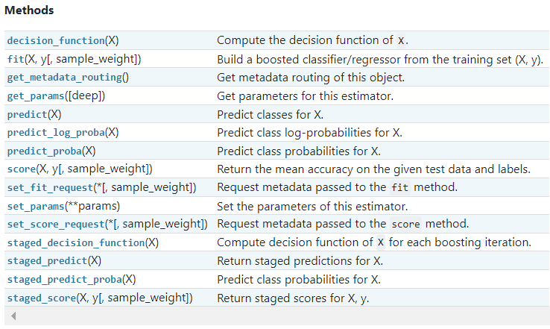 |  |  | ⇰REFERENCE (Website)-->Scikitlearn Regarding Conceptual Understanding of Various Methods For AdaBoosting Classifiers Models

 |  |  | ⇰REFERENCE (Website)-->Udemy Regarding Conceptual Understanding of Model⇒AdaBoosting Classifiers

⇰fit(X, y, sample_weight=None) ❶Run fit with all sets of parameters ❷According to Scikitlearn ⇒Build a boosted classifier/regressor from the training set (X, y). ❸In Simple words Ada Boosting Classifiers + Grid Search CV (grid_model) from training set (X, y). ❹In Simple Words After TRAIN-TEST-SPLIT Fitting X_Train & y_Train According to AdaBoost Models . |  |  | ⇰REFERENCE (Website)-->Scikitlearn Regarding Conceptual Understanding of Various Methods For AdaBoosting Classifiers Models | ⇰REFERENCE (Website)-->Udemy Regarding Conceptual Understanding of Model⇒AdaBoosting Classifiers

 |  |  | ⇰REFERENCE (Website)-->1.14(iii) Google Colab (Ada Boosting Classifiers) With Grid Search CV Regarding Practical Implementation of (Fit_methods of Ada Boosting Classifiers) | ⇰REFERENCE (Website)-->Stackoverflow Regarding Thereotical & Practical Implementation of Imperative Methods in Decision Tree Classifier (predict, predict_proba, predict_log_proba)

 |  |  | ⇰REFERENCE (Website)-->Stackoverflow Regarding Thereotical & Practical Implementation of Imperative Methods in Decision Tree Classifier (predict, predict_proba, predict_log_proba)

 |  |  | ⇰REFERENCE (Website)-->Scikitlearn Regarding Conceptual Understanding of Various Methods For AdaBoosting Classifiers Models | ⇰REFERENCE (Website)-->Udemy Regarding Conceptual Understanding of Model⇒AdaBoosting Classifiers

⇰predict(X) ❶Transform the data, and apply predict with the final estimator. ❷Predict class or regression value for X.For a classification model, the predicted class for each sample in X is returned. For a regression model, the predicted value based on X is returned.

 |  |  | ⇰REFERENCE (Website)-->1.14(iii) Google Colab (AdaBoost Classifiers) With Grid Search CV Regarding Practical Implementation Methods of (predict(X))

⇰predict_proba(X) & Prediction of New Unknown Data ❶Probability estimates:-The returned estimates for all classes are ordered by the label of classes. ❷Compute probabilities of possible outcomes for samples in X. ❸Classification algorithms usually also offer a way to quantify certainty of a prediction, either using Classification Category in the form of 0 Or 1 .Basically Prediction in terms of it's probability ranges in between value 0 & 1 at 0th index. ❹The predicted class probability is the fraction of samples of the same class in a leaf.

 |  |  | ⇰REFERENCE (Website)-->Scikitlearn Regarding Conceptual Understanding of Various Methods For AdaBoosting Classifiers Models | ⇰REFERENCE (Website)-->Udemy Regarding Conceptual Understanding of Model⇒AdaBoosting Classifiers

 |  |  | ⇰REFERENCE (Website)-->1.14(iii) Google Colab(AdaBoost Classifiers) With Grid Search CV Regarding Practical Implementation of Imperative Methods of (predict_proba(X))

⇰predict_log_proba(X) ❶Predict logarithm of probability estimates.The returned estimates for all classes are ordered by the label of classes. |  |  | ⇰REFERENCE (Website)-->Scikitlearn Regarding Conceptual Understanding of Various Methods For AdaBoosting Classifiers Models | ⇰REFERENCE (Website)-->Udemy Regarding Conceptual Understanding of Model⇒AdaBoosting Classifiers

❷ Basically in Other word All the Probability Estimates in the form of p .. probability lie in (Between 0 & 1) will be converted into logarithm scale value by this formula as we had done in Copy Or in Practicals. Pl see Given Figure (Fig in 1.7 (Excel) Thereotical Logistic Regression )

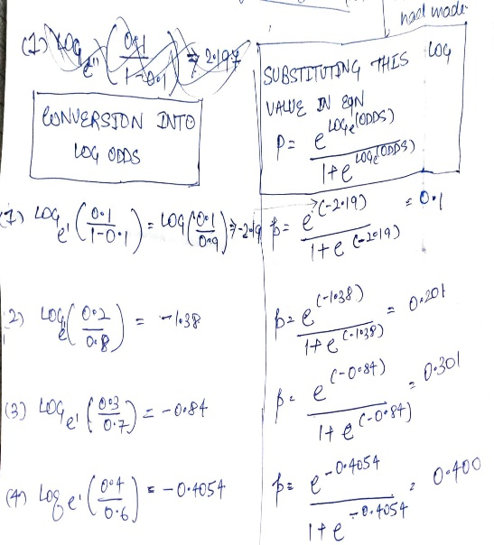
 |  |  | ⇰REFERENCE (Website)-->Stackoverflow Regarding Thereotical & Practical Implementation of Imperative Methods in Decision Tree Classifier (predict, predict_proba, predict_log_proba)

 |  |  | ⇰REFERENCE (Website)-->1.14(iii)Google Colab AdaBoosting Classifiers With Grid Search CV Regarding Conceptual & Practical Implementation of Imperative Methods of Predict log_proba( )

▣Predict Logarathmic Probability of Probability Estimates at 0th Index or Individual Index Like 0 , 1 , 2 ,3 ,4 .Here In this Case We can See Log Probabilistic Methods at 0th Index |  |  | ⇰REFERENCE (Website)-->1.14(iii) Google Colab AdaBoosting Classifiers With Grid Search CV Regarding Practical Implementation of Imperative Methods of predict_log_proba(X[0])

»get_scorer_names ⇰sklearn.metrics.get_scorer_names()
 |  |  | ⇰REFERENCE (Website)-->Scikitlearn Regarding Conceptual Understanding of Various Methods For AdaBoosting Classifiers Models | ⇰REFERENCE (Website)-->Udemy Regarding Conceptual Understanding of Model⇒AdaBoosting Classifiers
❶Get the names of all available scorers.These names can be passed to get_scorer to retrieve the scorer object.. ❷get_scorer_names is typically a method or function found in machine learning libraries, particularly ones like scikit-learn, where it provides a list of available scoring metrics that can be used to evaluate the performance of a model.When you’re optimizing a model, you might want to compare different metrics or choose a specific metric to focus on. Using get_scorer_names ensures you know all the valid metrics available in the library. |  | 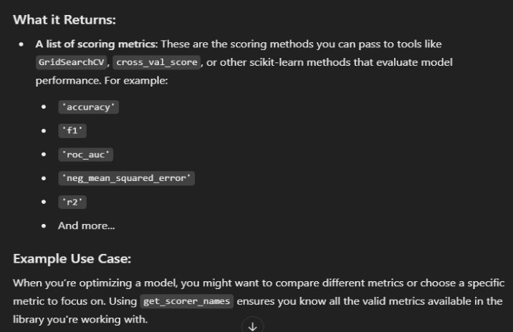

 |  |  | ⇰REFERENCE (Website)-->Scikitlearn Regarding Conceptual Understanding of Various Methods⇒ get_scorer_names | ⇰REFERENCE (Website)-->Scikit Learn Regarding Metric Scoring Or Various Types of Metric Scoring



 |  |  | ⇰REFERENCE (Website)-->1.14(iii) Google Colab AdaBoosting Classifiers With Grid Search CV Regarding Practical Implementation of Imperative Methods of get_scorer_names

»make_scorer ⇰sklearn.metrics.make_scorer(score_func, *, response_method=None, greater_is_better=True, needs_proba='deprecated', needs_threshold='deprecated', **kwargs)[source]

❶Return the mean accuracy on the given test data and labels. ❷make_scorer⇒ is a utility function in scikit-learn that allows you to turn a custom evaluation metric (A Python function) into a scorer object that can be used for model evaluation, hyperparameter tuning, and cross-validation. It essentially wraps your function into a form that the scikit-learn ecosystem understands.Return the mean accuracy on the given test data & labels. ❸Scorer Metric is used for the purpose for finding what kind of evaluation Criteria is used in Given Data set for the purpose of Finding Out the Error & In this case it is 'accuracy' in AdaBoosting Classifiers. ❹Basically in upcoming example Performance Eval Metric => 'Accuracy' means Correct Prediction=>1.00=>100% & (Remaining Incorrect Prediction (Error) =>0.0=>0%) . |  | 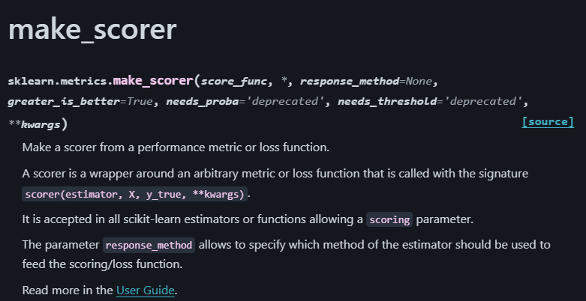 | ⇰REFERENCE (Website)-->Scikit Learn Regarding Metric Scoring Or Various Types of Metric Scoring | ⇰REFERENCE (Website)-->Udemy Regarding Conceptual Understanding of Model⇒AdaBoosting Classifiers

 |  |  | ⇰REFERENCE (Website)-->Scikitlearn Regarding Conceptual Understanding of Various Methods For make_scorer

 |  |  | ⇰REFERENCE (Website)-->Scikit Learn Regarding Metric Scoring Or Various Types of Metric Scoring

 |  | 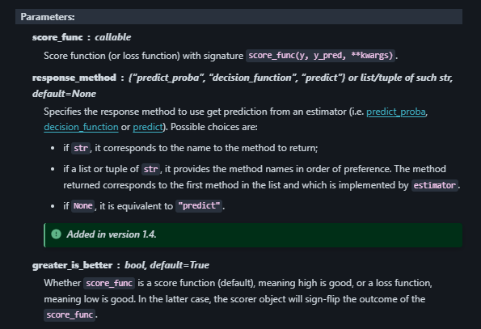 | ⇰REFERENCE (Website)-->1.14(iii) Google Colab AdaBoosting Classifiers With Grid Search CV Regarding Practical Implementation of Imperative Methods of make_scorer
»Example 1: Custom Scorer for Precision
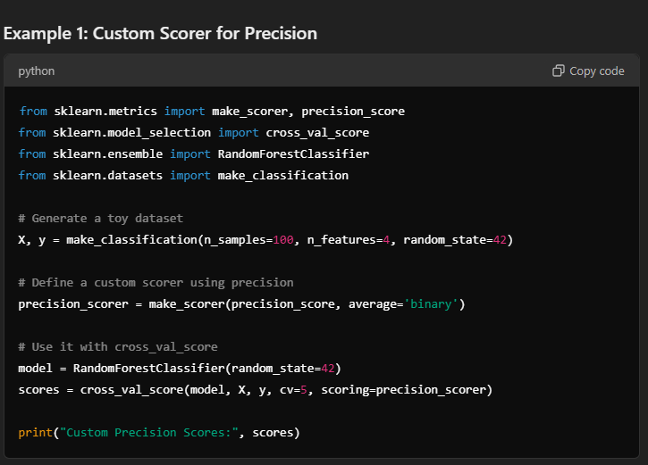

 |  | 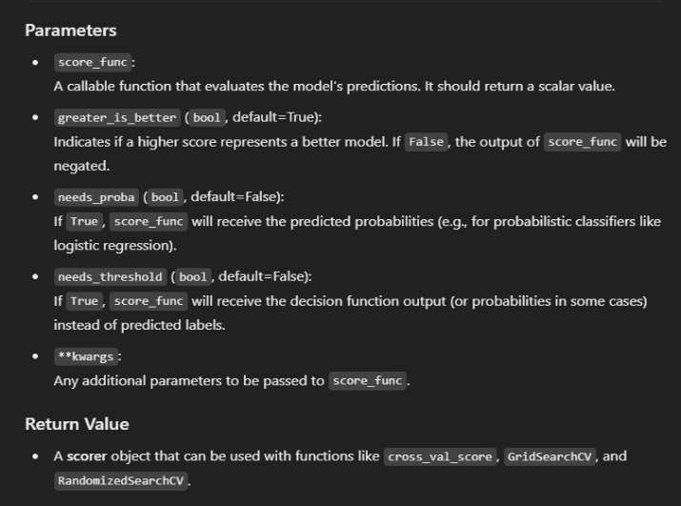
»Example 2: Using Custom Function for scoring
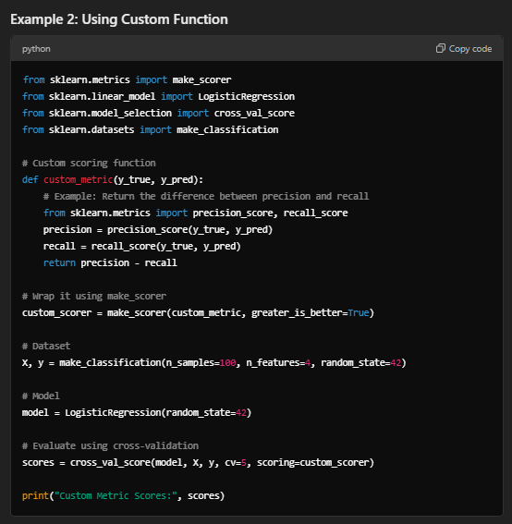

⇒score.response_method('decision_function') OR ('predict_proba') for classification Dataset ❶Specifies how to obtain predictions from the model. ❷By default, response_method='predict' is used for regression models. It calls the predict method of the estimator. ❸(Decision_Function)⇒ method basically returns a Numpy array, In which each element represents whether a predicted sample for x_test by the classifier lies to the right or left side of the Hyperplane & also how far from the HyperPlane. ❹ (predictproba)⇒Classification algorithms usually also offer a way to quantify certainty of a prediction, either using Classification Category in the form of 0 Or 1.Basically Prediction in terms of it's probability ranges in between value 0 & 1 at 0th index.

 |  |  | ⇰REFERENCE (Website)-->Scikitlearn Regarding Conceptual Understanding of Various Methods For AdaBoosting Classifiers Models | ⇰REFERENCE (Website)-->Udemy Regarding Conceptual Understanding of Model⇒AdaBoosting Classifiers

 |  |  |  | ⇰REFERENCE (Website)-->Scikitlearn Regarding Conceptual Understanding of Various Methods For make_scorer
 |  |  | ⇰REFERENCE (Website)-->1.14(iii) Google Colab AdaBoosting Classifiers With Grid Search CV Regarding Practical Implementation of Imperative Methods of make_scorer

 |  |  | ⇰REFERENCE (Website)-->Scikitlearn Regarding Glossary of Common Terms make_scorer.response_method (decision_function) | ⇰REFERENCE (Website)-->Scikitlearn Regarding Glossary of Common Terms make_scorer.response_method (predict_proba)

⇰get_params(deep=True) ❶Get parameters for this estimator. ❷deep:bool, default=True ,If True, will return the parameters for this estimator & contained sub objects that are estimators. Parameter names mapped to their values in dict format . ❸ In 2nd Instance we had seen that we Create get_params by using calling keys & display result in List Format . ❹Basically in Simple words this param_grid parameter allows you to pass the grid of parameters you are searching. This grid must be formatted as a dictionary with the key corresponding to the specific estimator’s parameter names, and the values corresponding to a list of values to pass for the specific parameters. |  |  | ⇰REFERENCE (Website)-->1.14(iii) Google Colab AdaBoosting Classifiers With Grid Search CV Regarding Practical Implementation of Imperative Methods of get_params in Dictionary Format

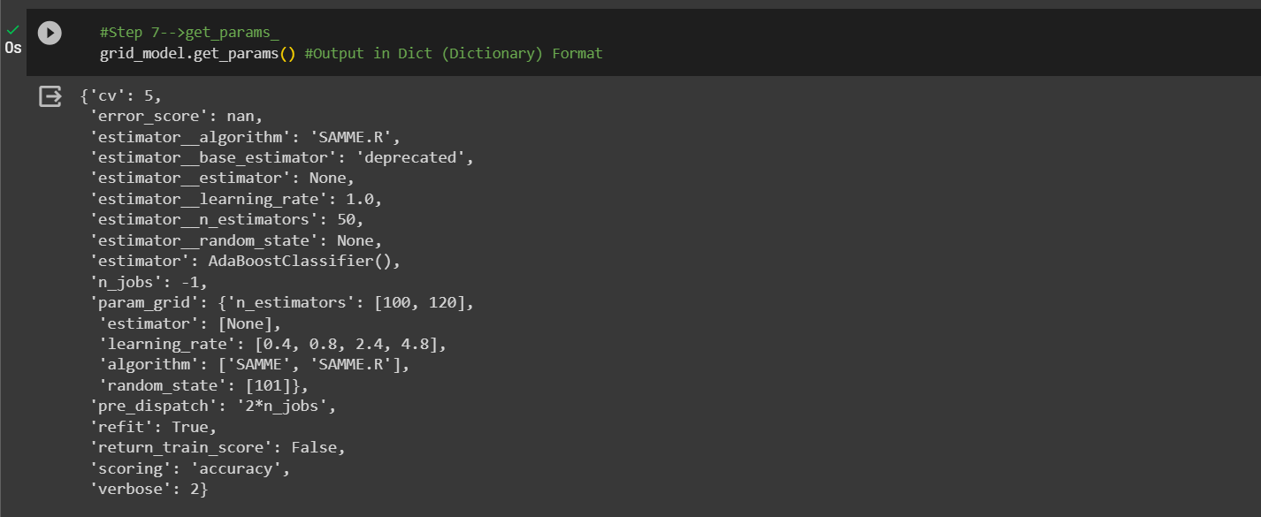 |  |  | ⇰REFERENCE (Website)-->1.14(iii) Google Colab AdaBoosting Classifiers With Grid Search CV Regarding Practical Implementation of Imperative Methods of get_params in Dictionary Format | ⇰REFERENCE (Website)-->Scikitlearn Regarding Conceptual Understanding of Various Methods For AdaBoosting Classifiers Models | ⇰REFERENCE (Website)-->Udemy Regarding Conceptual Understanding of Model⇒AdaBoosting Classifiers

 |  |  | ⇰REFERENCE (Website)-->1.14(iii) Google Colab AdaBoosting Classifiers With Grid Search CV Regarding Practical Implementation of Imperative Methods of get_params in List Format | ⇰REFERENCE (Website)-->Scikitlearn Regarding Conceptual Understanding of Various Methods For AdaBoosting Classifiers Models | ⇰REFERENCE (Website)-->Udemy Regarding Conceptual Understanding of Model⇒AdaBoosting Classifiers

 |  |  | ⇰REFERENCE (Website)-->Scikitlearn Regarding Conceptual Understanding of Various Methods For AdaBoosting Classifiers Models | ⇰REFERENCE (Website)-->Udemy Regarding Conceptual Understanding of Model⇒AdaBoosting Classifiers

 |  |  | ⇰REFERENCE (Website)-->1.14(iii) Google Colab AdaBoosting Classifiers With Grid Search CV Regarding Practical Implementation of Imperative Methods of set_params

⇰set_params(params) ❶Set the parameters of this estimator . ❷In simple words set_params (Setting or Readjusting any Hyper Parameter again with New Param) ,We can Perform Readjustment or Reconfiguration of any Hyper Parameter for Given Model & then Re-run the Model.

❸Basically in upcoming Example We can see changes in set_params (n_jobs=>-1) to (n_jobs=>1) & (verbose=>2) to (verbose=>1) If we do comparison against Previous model.get_params() we can see those changes.

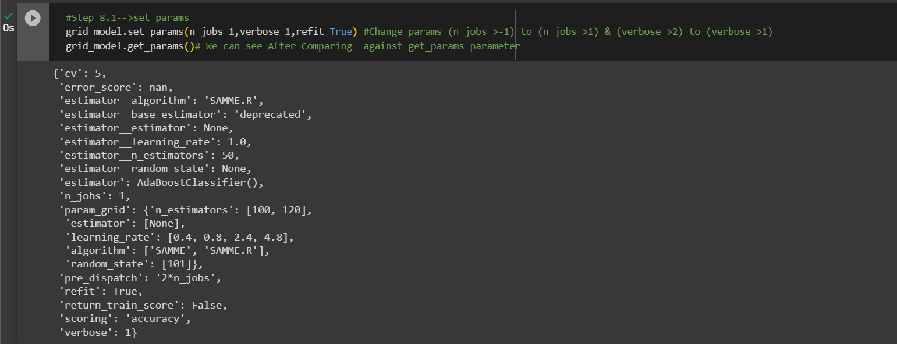 |  |  | ⇰REFERENCE (Website)-->1.14(iii) Google Colab AdaBoosting Classifiers With Grid Search CV Regarding Practical Implementation of (set_params ⇒Keys () methods AdaBoosting Classifiers) | ⇰REFERENCE (Website)-->Scikitlearn Regarding Conceptual Understanding of Various Methods For AdaBoosting Classifiers Models | ⇰REFERENCE (Website)-->Udemy Regarding Conceptual Understanding of Model⇒AdaBoosting Classifiers

 |  |  | ⇰REFERENCE (You Tube)-->Visually Explained Regarding Practical & Conceptual Understanding of Kernel Trick in Support Vector Machine (SVM)

 |  |  | ⇰REFERENCE (Website)-->Geeks for Geeks Regarding Thereotical & Conceptual Understanding of Decision Function

 |  |  | ⇰REFERENCE (Website)-->Scikitlearn Regarding Conceptual Understanding of Various Methods For AdaBoosting Classifiers Models | ⇰REFERENCE (Website)-->Udemy Regarding Conceptual Understanding of Model⇒AdaBoosting Classifiers
⇰decision_function(X)
❶Evaluate the decision function for the samples in X. ❷Basically in Simple Words According to Stackoverflow The decision function tells us on which side of the hyperplane generated by the classifier we are (& how far we are away from it) Based on that information, the estimator then label the examples with the corresponding label.

 |  |  | ⇰REFERENCE (Website)-->1.14(iii) Google AdaBoost Classifier With Grid Search CV Regarding Practical Implementation (decision_function) in dict format (Methods of AdaBoost Classifier))
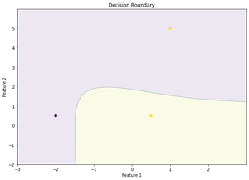 ❸According to Geek for Geek Decision function is a method present in classifier { SVC, Logistic Regression} class of sklearn machine learning framework. This method basically returns a Numpy array, In which each element represents whether a predicted sample for x_test by the classifier lies to the right or left side of the Hyperplane and also how far from the HyperPlane. It also tells us that how confidently each value predicted for x_test by the classifier is Positive ( large-magnitude Positive value) or Negative ( large-magnitude Negative value).

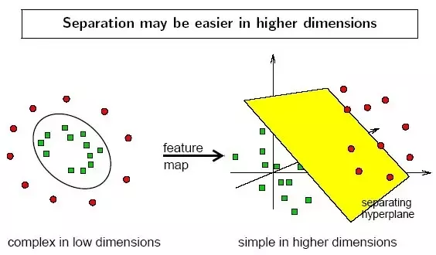 | 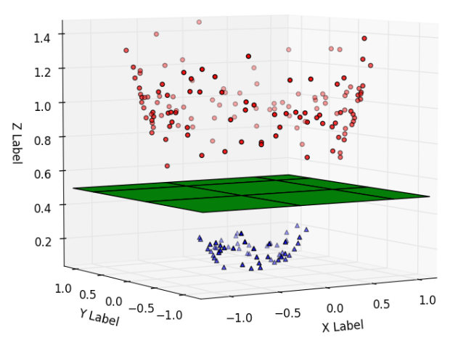 |  | ⇰REFERENCE (Website)-->Udemy Regarding Conceptual Understanding of Model⇒AdaBoosting Classifiers | ⇰REFERENCE (Website)-->Scikitlearn Regarding Conceptual Understanding of Various Methods For AdaBoosting Classifiers Models

 |  |  | ⇰REFERENCE (Website)-->1.14(iii) Google Colab AdaBoost Classifiers With Grid Search CV Regarding Practical Implementation of Imperative Methods of staged_decision_path(X,check_input=True)

⇰staged_decision_function(X) |  |  | ⇰REFERENCE (Website)-->Scikitlearn Regarding Conceptual Understanding of Various Methods For AdaBoosting Classifiers Models | ⇰REFERENCE (Website)-->Udemy Regarding Conceptual Understanding of Model⇒AdaBoosting Classifiers
❶Compute decision function of X for each boosting iteration. ❷This method allows monitoring (i.e. determine error on testing set) after each boosting iteration.The decision function of the input samples. The order of outputs is the same of that of the classes_ attribute. ❸Basically in Simple Words This Methods (staged_decision_function) will tell us regarding Types of data (Format) & No of Elements Storage in what location ⇒(0x794ebe25ed50>)?

 |  |  | ⇰REFERENCE (Website)-->1.14(iii) Google Colab AdaBoost Classifiers With Grid Search CV Regarding Practical Implementation of Imperative Methods of staged_decision_path(X,check_input=True)

⇰staged_predict(X)
❶Return staged predictions for X. ❷The predicted class of an input sample is computed as the weighted mean prediction of the classifiers in the ensemble.This generator method yields the ensemble prediction after each iteration of boosting & therefore allows monitoring, such as to determine the prediction on a test set after each boost. ❸Basically in Simple Words This Methods (staged_predict) will tell us regarding Types of data (Format) & No of Elements Storage in what location ⇒(0x794ebe25ece0>)?
 |  |  | ⇰REFERENCE (Website)-->Scikitlearn Regarding Conceptual Understanding of Various Methods For AdaBoosting Classifiers Models

 |  |  | ⇰REFERENCE (Website)-->1.14(iii) Google Colab AdaBoost Classifiers With Grid Search CV Regarding Practical Implementation of Imperative Methods of staged_predict(X,check_input=True)

⇰staged_predict_proba(X)
❶Predict class probabilities for X. ❷The predicted class probabilities of an input sample is computed as the weighted mean predicted class probabilities of the classifiers in the ensemble. ❸This generator method yields the ensemble predicted class probabilities after each iteration of boosting & therefore allows monitoring, such as to determine the predicted class probabilities on a test set after each boost. ❹Basically in Simple Words This Methods (staged_predict_proba) will tell us regarding Types of data (Format) & No of Elements Storage in what location ⇒(0x794ebe25e9d0>)?

 |  |  | ⇰REFERENCE (Website)-->Scikitlearn Regarding Conceptual Understanding of Various Methods For AdaBoosting Classifiers Models | ⇰REFERENCE (Website)-->Udemy Regarding Conceptual Understanding of Model⇒AdaBoosting Classifiers

 |  |  | ⇰REFERENCE (Website)-->1.14(iii) Google Colab AdaBoost Classifiers With Grid Search CV Regarding Practical Implementation of Imperative Methods of staged_predict_proba(X,check_input=True)

⇰staged_score(X)
❶Return staged scores for X, y. ❷This generator method yields the ensemble score after each iteration of boosting & therefore allows monitoring, such as to determine the score on a test set after each boost. ❸Basically in Simple Words This Methods (staged_predict_proba) will tell us regarding Types of data (Format) & No of Elements Storage in what location ⇒(0x794ebe285d20>)?

 |  |  | ⇰REFERENCE (Website)-->1.14(iii) Google Colab AdaBoost Classifiers With Grid Search CV Regarding Practical Implementation of Imperative Methods of staged_score(X,check_input=True) | ⇰REFERENCE (Website)-->Udemy Regarding Conceptual Understanding of Model⇒AdaBoosting Classifiers | ⇰REFERENCE (Website)-->Scikitlearn Regarding Conceptual Understanding of Various Methods For AdaBoosting Classifiers Models

4.Attri For AdaBoostClassifier

▣ATTRIBUTES OF ADABOOSTING CLASSIFIERS |  |  | REFERENCE

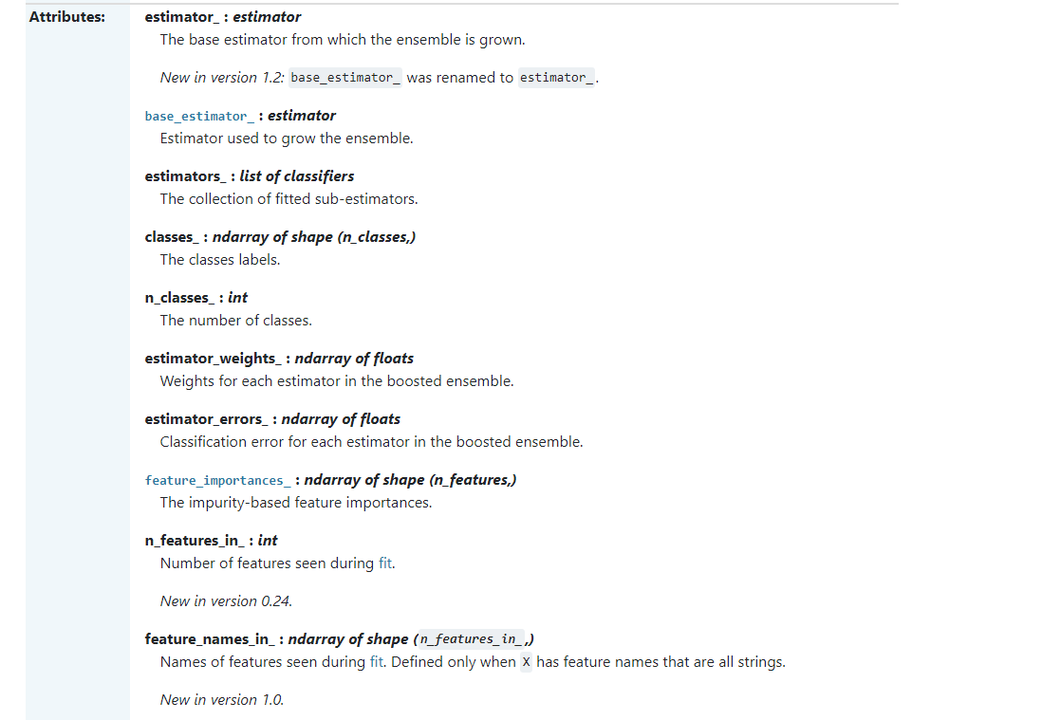 |  |  | ⇰REFERENCE (Website)-->Scikitlearn Regarding Conceptual Understanding of Various Attributes for AdaBoosting Classifiers Models

 |  |  | ⇰REFERENCE (Website)-->Udemy Regarding Conceptual Understanding of Model⇒AdaBoosting Classifiers

⇰classes_ndarray of shape (n_classes,) or list of ndarray ❶The classes labels (single output problem), or a list of arrays of class labels (multi-output problem). ❷A list of class labels known to the classifier. ❸Basically in Simple Words Various Classified Labels (Output) (Dependent Variable) Used in Models.

 |  |  | ⇰REFERENCE (Website)-->1.14(iii) Google Colab AdaBoosting Classifiers With Grid Search CV Regarding Practical Implementation of Imperative Attributes of classes_

⇰feature_importances_:ndarray of shape (n_features,) ❶Return the feature importances. ❷ Basically in Simple Words it will report back the relative importance of each feature & its decision making & this is listed in the same order as the X features. ❸Best_Estimator's Model from Grid Search CV for This Attributes

 |  |  | ⇰REFERENCE (Website)-->Stackoverflow Regarding Conceptual Understanding of Various Attributes of feature importances_

 |  |  | ⇰REFERENCE (Website)-->1.14(iii) Google Colab AdaBoosting Classifiers With Grid Search CV Regarding Practical Implementation of Imperative Attributes of feature_importances_

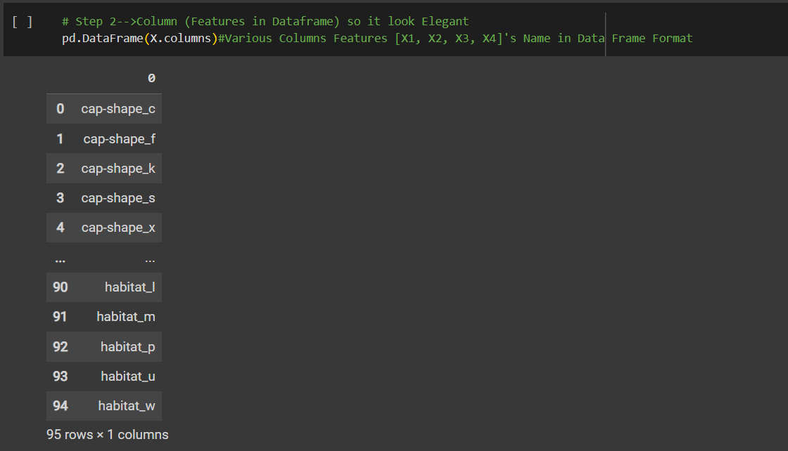

 |  |  | ⇰REFERENCE (Website)-->Scikitlearn Regarding Conceptual Understanding of Various Attributes for AdaBoosting Classifiers Models

 |  |  | ⇰REFERENCE (Website)-->Udemy Regarding Conceptual Understanding of Model⇒AdaBoosting Classifiers

❹Feature Importances According in Data Frame Format in Sorting Order (Basically in Simple Words Attributes of Features Importance in Data Frame Format as well as Values sorted in Ascending Order.

 |  |  | ⇰REFERENCE (Website)-->Stackoverflow Regarding Conceptual Understanding of Various Attributes of feature importances_
▣Conversion of feature_importances_ into dataframe So in that way it will easier to read & all features based on their importance will be in Hierarchical Order. ▣In this Case we can see Population_c is most important features because it scores 0.16 in terms of it's weightage. ▣Best_Estimator's Model from Grid Search CV for This Attributes

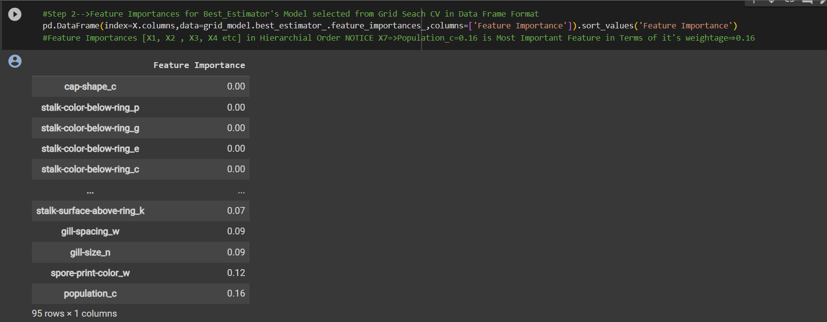 |  |  | ⇰REFERENCE (Website)-->1.14(iii) Google Colab AdaBoosting Classifiers With Grid Search CV Regarding Practical Implementation of Imperative Attributes of feature_importances in Data Frame Format

 |  |  | ⇰REFERENCE (Website)-->Scikitlearn Regarding Conceptual Understanding of Various Attributes for AdaBoosting Classifiers Models

 |  |  | ⇰REFERENCE (Website)-->Udemy Regarding Conceptual Understanding of Model⇒AdaBoosting Classifiers
⇰n_classes_:int or list of int ❶The number of Classes Or Labels (Output) in Classification based Data set (for single output problems), or a list containing the number of classes for each output (for multi-output problems). ❷Basically in Simple Words attribute n_classes refer to Number of Labels or Classes Applicable for Classification based Dataset for Number of Various Labels used for Output like in this example 3 classes we have is 'p'⇒'poisonous' & 'e'⇒'edible'. ❸Best_Estimator's Model from Grid Search CV for This Attributes

 |  |  | ⇰REFERENCE (Website)-->1.14(iii) Google Colab AdaBoosting Classifiers With Grid Search CV Regarding Practical Implementation of Imperative Attributes of n_classes_

⇰feature_names_in_ndarray of shape (n_features_in_,) ❶Names of features seen during fit. Defined only when X has feature names that are all strings. ❷Defined only when X has feature names that are all strings & Precede to Feature Scaling Otherwise Due to Feature Scaling it will create Multiple Features. Basically in Other Word it Defines the Names of All Features (Independent Variable) That are Available in the Given Dataset. ❸Basically in Simple Words In AdaBoosting Classifiers We don't Need Feature Scaling That's why We can see By Implementing this Attribute we can see Names of Features Used for AdaBoosting Classifiers.

 |  |  | ⇰REFERENCE (Website)-->Scikitlearn Regarding Conceptual Understanding of Various Attributes for AdaBoosting Classifiers Models

 |  |  | ⇰REFERENCE (Website)-->Udemy Regarding Conceptual Understanding of Model⇒AdaBoosting Classifiers

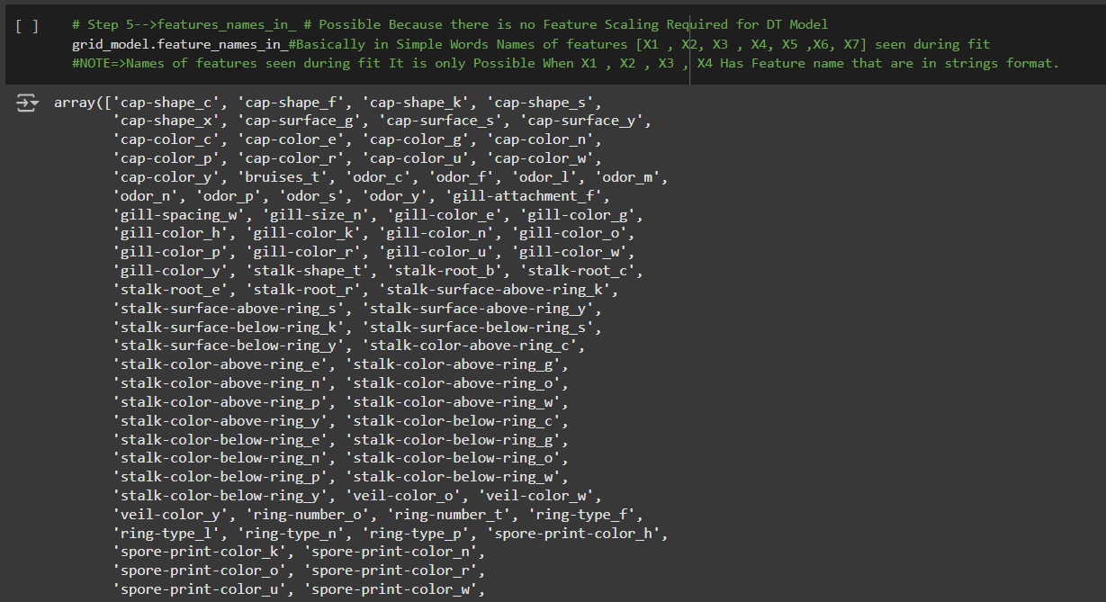

 |  |  | ⇰REFERENCE (Website)-->1.14(iii) Google Colab AdaBoosting Classifiers With Grid Search CV Regarding Practical Implementation of Imperative Attributes of features_names_in_

 |  |  | ⇰REFERENCE (Website)-->Scikitlearn Regarding Conceptual Understanding of Various Attributes for AdaBoosting Classifiers Models

⇰n_features_in_:int ❶Number of features seen during fit. ❷ In Simple Words Number of features seen during fit.Only defined if best_estimator_ is defined Basically in Simple Words in this example of AdaBoosting Classifiers We have 95 Features so this attribute defines number of features used & available in for your data. |  |  | ⇰REFERENCE (Website)-->Udemy Regarding Conceptual Understanding of Model⇒AdaBoosting Classifiers

 |  |  | ⇰REFERENCE (Website)-->1.14(iii) Google Colab AdaBoosting Classifiers With Grid Search CV Regarding Practical Implementation of Imperative Attributes of n_features_in_

⇰estimator_:estimator ❶The base estimator from which the ensemble is grown. ❷The child estimator template used to create the collection of fitted sub-estimators. ❸Basically in Simple Words Estimator's Template Mean Pictorial Representation of (What Kind of Model + Grid Search CV We are Implementing in Our Models.)

 |  |  | ⇰REFERENCE (Website)-->1.14(iii) Google Colab AdaBoosting Classifiers With Grid Search CV Regarding Practical Implementation of Imperative Attributes of (estimator_)

⇰estimators_:list of DecisionTreeClassifier ❶The collection of fitted sub-estimators. ❷In Simple Words Display of Various List of Decision Tree Classifiers as Sub Estimators According to Different Hyper Parameter Tuned Up & Ensemble of Decision Tree Classifiers in AdaBoosting Classifiers With Different Hyper Parameter Tuned Up.

 |  |  | ⇰REFERENCE (Website)-->1.14(iii) Google Colab AdaBoosting Classifiers With Grid Search CV Regarding Practical Implementation of Imperative Attributes of (estimators_)

 |  |  | ⇰REFERENCE (Website)-->Scikitlearn Regarding Conceptual Understanding of Various Attributes for AdaBoosting Classifiers Models

⇰base_estimator_:DecisionTreeClassifier ❶Estimator used to grow the ensemble. ❷Basically in Simple Words What Sorts of Base Estimator We want to Fit on Random Subset of Dataset If You don't Then Specify base_estimators Default ⇒ Decision Tree Classifier (STUMP). |  |  | ⇰REFERENCE (Website)-->Udemy Regarding Conceptual Understanding of Model⇒AdaBoosting Classifiers

 |  |  | ⇰REFERENCE (Website)-->ScikitLearn Regarding Conceptual Understanding of Module Bagging Regressor in Regression Based Model sklearn.ensemble.BaggingClassifier

❸According to ScikitLearn ⇒BaggingClassifiers: When using the BaggingClassifier in scikit-learn, you can specify a base estimator to fit on random subsets of the Classification Based dataset. If you don't specify a base estimator, the default ⇒ DecisionTreeClassification (STUMP).This means that, by default, BaggingClassifier uses DecisionTreeClassifier as its base model for building an ensemble model. In this Example We can Use (SVC) as base_estimators_. |  | 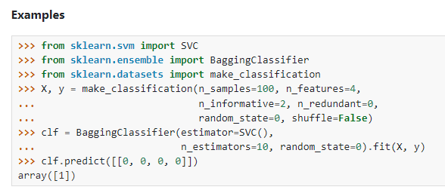 | ⇰REFERENCE (Website)-->ScikitLearn Regarding Conceptual Understanding of Module Bagging Regressor in Regression Based Model sklearn.ensemble.BaggingClassifier

 |  |  | ⇰REFERENCE (Website)-->1.14(iii) Google Colab AdaBoosting Classifiers With Grid Search CV Regarding Practical Implementation of Imperative Attributes of (base_estimator)

⇰estimator_weights_:ndarray of floats
❶According to Scikitlearn Weights for each estimator in the boosted ensemble. | 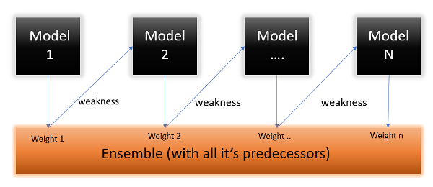 |  | ⇰REFERENCE (Website)-->Analytics Vidhya Regarding Conceptual Understanding of Boosting Model⇒AdaBoosting Algorithm (Updating Weights)

❷AdaBoosting Estimator Weights:Estimator weights typically refer to the weights assigned to individual estimators or weak learners (STUMP) in an ensemble learning technique, such as AdaBoost. These weights play a crucial role in combining the predictions of these individual learners to make a final prediction.

 |  |  | ⇰REFERENCE (Website)-->Udemy Regarding Conceptual Understanding of Model⇒AdaBoosting Classifiers

❸Weights Range :The estimator_weights in AdaBoost are adjusted during training iterations & fall within the range of 0 to1.These weights indicate how much influence each base estimator has on the final prediction. A weight close to 1 means high importance, while a weight close to 0 means low importance. RANGE ⇒0 TO 1.

 |  |  | ⇰REFERENCE (Website)-->Scikitlearn Regarding Conceptual Understanding of Various Attributes for AdaBoosting Classifiers Models

❹Adjustment Process in AdaBoosting Model:AdaBoost adjusts the estimator_weights based on the performance of each base estimator. Estimators that perform well are assigned higher weights, while those that perform poorly receive lower weights. This iterative process aims to create a strong ensemble by giving more importance to the better-performing base estimators. |  | 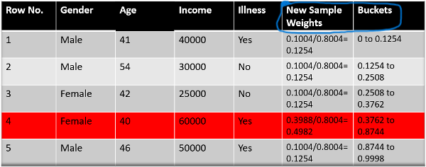

 |  |  | ⇰REFERENCE (Website)-->Analytics Vidhya Regarding Conceptual Understanding of Boosting Model⇒AdaBoosting Algorithm (Updating Weights)

❹In this Upcoming Example We can see that For Every Weak Learners (STUMP) Or Base Estimators 's Weights is being Computed & Help to Determine the weight of each estimator's influence in Ensemble Decision Making (Major Role of This Ensemble Weak Learners).

 |  |  | ⇰REFERENCE (Website)-->1.14(iii) Google Colab AdaBoosting Classifiers With Grid Search CV Regarding Practical Implementation of Imperative Attributes of (estimator_weights)



 |  |  | ⇰REFERENCE (Website)-->Research Gate Regarding Pictorial Representation of Attribute estimator_errors in AdaBoosting Models Flow Chart

⇰estimator_errors_:ndarray of floats
❶Classification error for each estimator in the boosted ensemble.
❷Basically in Simple Words AdaBoost models, the term "estimator_errors_" refers to the classification or regression errors associated with each individual base estimator (usually decision trees) (STUMP) that make up the ensemble. These errors are used to assign different weights to the base estimators during the training process. |  | 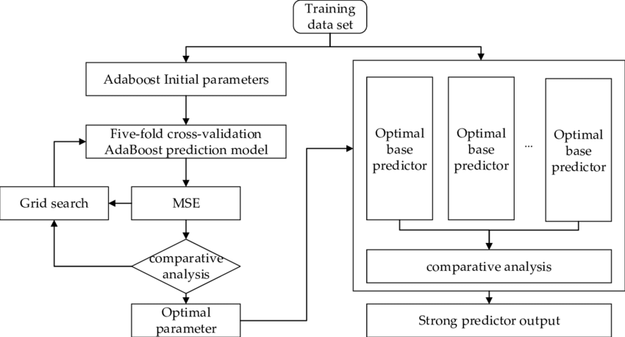

 |  |  | ⇰REFERENCE (Website)-->Stackoverflow Regarding Conceptual Understanding of Attribute⇒estimator_errors in Adaboosting Classifiers

❸These errors are used to determine the weight of each estimator in the final prediction.Estimators with lower errors are given higher weight, indicating that they are more influential in the ensemble's decision.

❹In this Upcoming Example We can see that For Every Weak Learners (STUMP) Or Base Estimators 's Errors is being Computed & Help to Determine the weight of each estimator's influence in Ensemble Decision Making (Major Role of This Ensemble Weak Learners). |  |  | ⇰REFERENCE (Website)-->1.14(iii) Google Colab AdaBoosting Classifiers With Grid Search CV Regarding Conceptual Understanding of Attribute⇒estimator_errors in AdaBoost Classifiers

5.Error & Misclass Vs No of Est
⌗ELBOW METHODS

▣I.ERRORS VS NO OF ESTIMATORS | REFERENCE

❶You'll notice we start off with quite a bit of noise in the errors (As we can see RMSE Error eventually Start from 8 & settle off & we start to hit this essentially this point or threshold where it can no longer really improve performance. ❷What's going to happen is just going to reach this threshold limit of performance.So what this mean is 200 is probably way too many trees & we could have just shortened it down to somewhere around maybe the 25 mark.You can see between 25 and 50, & After 20 (No of Estimator) you're really just getting 0 Errors as Errors Line straigthened up to 0.So kind of interesting that plot this out in order to explore how many trees are really necessary. | ⇰REFERENCE (Website)-->Udemy Regarding Thereotical & Conceptual Understanding of Error VS No of Estimators | ⇰REFERENCE (Website)-->Scikitlearn Regarding Conceptual Understanding of Various Attributes for AdaBoosting Classifiers Models | ⇰REFERENCE (Website)-->Udemy Regarding Usage of Elbow Methods in Polynomial Regression (While Choosing Polynomial degree)

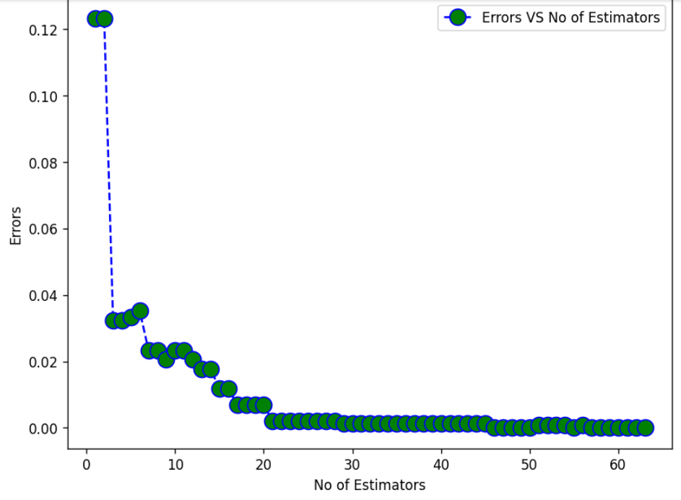  | ⇰REFERENCE (Website)-->1.14(iii) Google Colab AdaBoosting Classifiers Regarding Practical Implementation of Matplotlib Plotting (Errors Vs No of Estimators) (Elbow Methods)

 | ⇰REFERENCE (Website)-->Udemy Regarding Conceptual Understanding of Model⇒AdaBoosting Classifiers

 | ⇰REFERENCE (Website)-->Scikitlearn Regarding Conceptual Understanding of Various Attributes for AdaBoosting Classifiers Models

 | ⇰REFERENCE (Website)-->Udemy Regarding Thereotical & Conceptual Understanding of Misclassification VS No of Estimators
▣II.MISCLASSIFICATION VS NO OF ESTIMATORS

❶You'll notice we start off with quite a bit of noise in the misclassifications & eventually we start to settle off & we start to hit this essentially this point or threshold where it can no longer really improve performance. ❷You'll notice that at the beginning I'm performing almost like four (4) or five (5) miss classifications, but I start no matter how many trees I begin to add in.I'm basically just hitting either one or two classifications.So sometimes for a certain number of trees, I get a little lucky and I hit one (1) misclassification.But mostly it seems like we're starting to level off at two (2) Misclassifications, which is quite interesting because as Leo Berryman said, they don't over fit.What's going to happen is just going to reach this threshold limit of performance.So what this me is 200 is probably way too many trees & we could have just shortened it down to somewhere around maybe the 25 mark. You can see after 20 (No of Estimators), you're really just getting we are getting (0) Misclassifications. So kind of interesting that plot this out in order to explore how many trees are really necessary. | ⇰REFERENCE (Website)-->Udemy Regarding Conceptual Understanding of Model⇒AdaBoosting Classifiers

 | ⇰REFERENCE (Website)-->Scikitlearn Regarding Conceptual Understanding of Various Attributes for AdaBoosting Classifiers Models

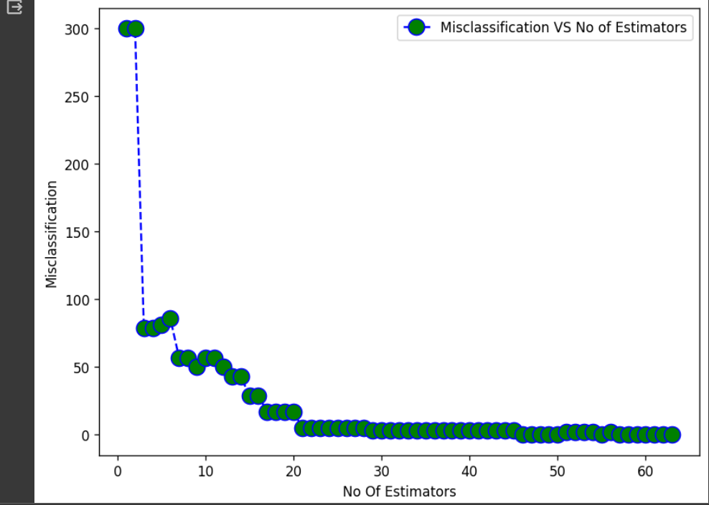 | ⇰REFERENCE (Website)-->1.14(iii) Google Colab AdaBoosting Classifiers Regarding Practical Implementation of Matplotlib Plotting (Misclassification Vs No of Estimators) Elbow Methods

 | ⇰REFERENCE (Website)-->Udemy Regarding Usage of Elbow Methods in Polynomial Regression (While Choosing Polynomial degree)

6.TRAIN|TEST|SPLIT
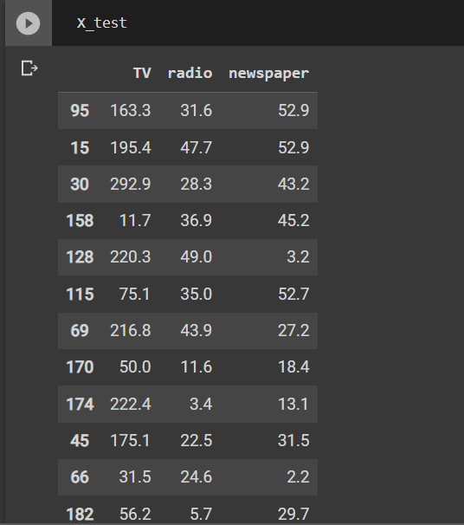
TRAIN | TEST | SPLIT

⇰REFERENCE (WEBSITE)-->Udemy Regarding Train_Test_Split
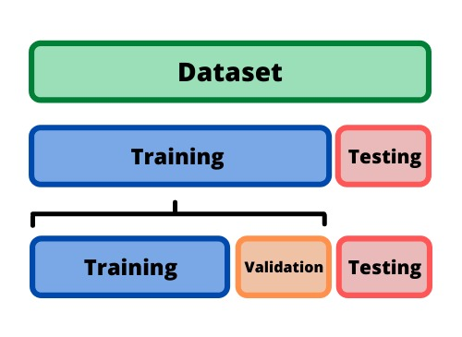 ⇰DEFINITION OF TRAIN-TEST-SPLIT →To fairly evaluate my model's performance, I don't want to evaluate it on the same data it was trained at. First we separates out the features and then it separates out the labels Further we'll separate out a training set and a test set Which Further Subdivide into 4 Components --> X train and Y train and then X test and y test the weights.

PARAMETERS FOR TRAIN | TEST | SPLIT | REFERENCE

⇰X_train→X_train Contains the Values of The Features (X1(Newspaper) ,X2(Radio) , X3(Television) This includes your all independent variables,these will be used to train the model, also as we have specified the test_size = 0.4, this means 60% of observations from your complete data will be used to train/fit the model and rest 40% will be used to test the model. | ⇰REFERENCE (Website)--> Stackoverflow Regarding TRAIN-TEST-SPLIT

⇰X_test→This is remaining 40% portion of the independent variables [Features(X1(Newspaper) ,X2(Radio) , X3(Television)] from the data which will not be used in the training phase and will be used to make predictions to test the accuracy of the model.
 | ⇰REFERENCE (Website)-> Stackoverflow Regarding TRAIN-TEST-SPLIT

⇰y_train→This is your dependent variable which needs to be predicted by this model, this includes category labels against your independent variables (Output =Total Sales), we need to specify our dependent variable while training/fitting the model.

 | ⇰REFERENCE (Website)-->(1.2) Google Colab Linear Regression Regarding Practical Implementation (Coding) of TRAIN | TEST SPLIT
⇰y_test→This data has category labels (Dependent Variable) (Output = Total Sales) for your test data, these labels will be used to test the accuracy between actual and predicted categories.

⇰test_size→test_size is the number that defines the size of the test set. It's very similar to train_size . You should provide either train_size or test_size . If neither is given, then the default share of the dataset that will be used for testing is 0.25 , or 25 percent. Especially in This Case test_size is 0.3 or 30% of Total Data Size.
 | ⇰REFERENCE (Website)-> Scikit Learn Regarding TRAIN-TESTS-SPLIT

⇰Random_state →Random_state is used to set the seed for the random generator so that we can ensure that the results that we get can be reproduced. Because of the nature of splitting the data in train and test is randomised you would get different data assigned to the train and test data unless you can control for the random factor. ↔Example-->For example, imagine you have numbers: 1,2,3,4,5 and you want to select two random numbers. Without using a random_state you would get different things: i.e. first 2,5 then 3,4 and so on.When you control the random generator by setting the random state to 0, 1 or another number, everyone would get the same random numbers generated: i.e random_state=1 then the random numbers are 1,3 and everyone who will pick two random numbers using random_state=1 from 1,2,3,4,5 will get the same two numbers as you: 1,3. →The random state hyperparameter is used to control any such randomness involved in machine learning models to get consistent results. We can use cross-validation to mitigate the effect of randomness involved in machine learning models. →Reason For Random State Usage--> ❶. We need t
 | ⇰REFERENCE (Website)-> Real Python Regarding TRAIN-TESTS-SPLIT

 | ⇰REFERENCE (Website)--> Geeks For Geeks Regarding Practical Impelentation (Coding) of TRAIN | TEST SPLIT

 | ⇰REFERENCE (Website)-> Scikit Learn Regarding TRAIN-TESTS-SPLIT

 | ⇰REFERENCE (Website)-> Real Python Regarding TRAIN-TESTS-SPLIT

⇰Shuffle Split→shuffle is the Boolean object (True by default) that focus on whether to shuffle the dataset before applying the split. →Reason For Random State Usage--> ❶The other reason that we have a random state here is because what Sk learn is going to do when it calls train test split is it's actually going to shuffle the arrays first.So you'll notice here that it actually is calling a shuffle split.That's why main reason it's calling a shuffle split. ❷If we See almost any Data set We can tell that more or less my data appears to be in no sort of sorted order.But for other data sets, it's not uncommon that when you read it in, it's actually already sorted for you. What we don't want to do is if our data set is in some sort of order or sorted is grab the first 70% of the rows for the train set and then the last 30% for the test set. Instead, we want to make sure that we shuffle everything first and then grab the 70% and 30%.That way I don't have an accidentally ordered data set and the test set happens to be all the highest sales and the training set is the lowest 70% of sales. That could be really dangerous as far as fairly evaluating and training your model. So instead we just alleviate any issues of that by shuffling the data set first.

 | ⇰REFERENCE (Website)-->(1.2) Google Colab Linear Regression Regarding Practical Implementation (Coding) of TRAIN | TEST SPLIT

 | ⇰REFERENCE (Website)-->(1.3) Google Colab (Polynomial Regression) Regarding Practical Implementation (Coding) of TRAIN | TEST SPLIT

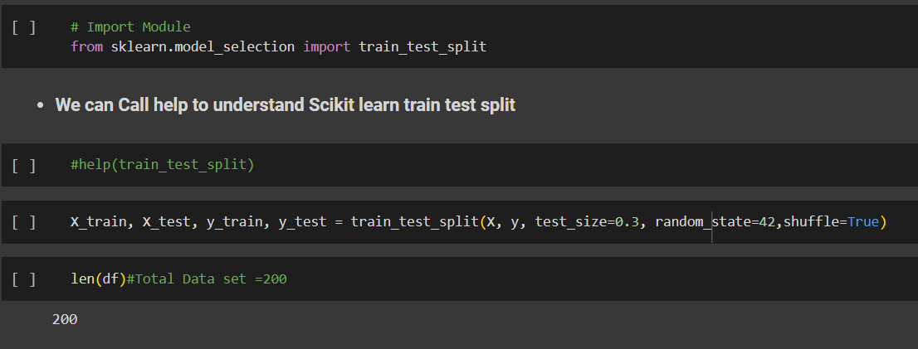 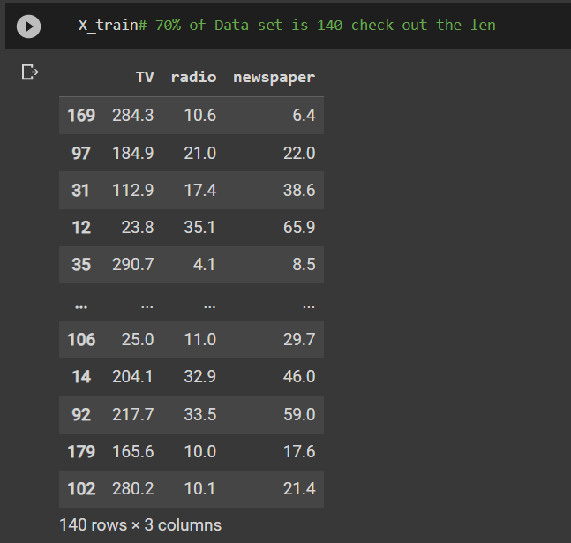 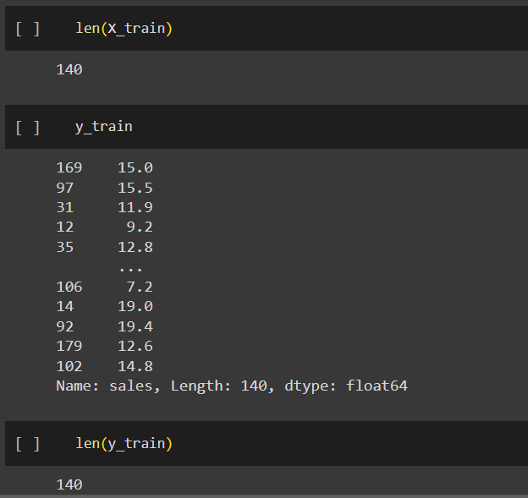 | ⇰REFERENCE (Website)-->(1.2) Google Colab Linear Regression Regarding Practical Implementation (Coding) of TRAIN | TEST SPLIT

 | ⇰REFERENCE (Website)-->(1.3) Google Colab (Polynomial Regression) Regarding Practical Implementation (Coding) of TRAIN | TEST SPLIT

